Introduction
This document contains mappings of the CIS Controls and Safeguards to Cloud Security Alliance Cloud Controls Matrix
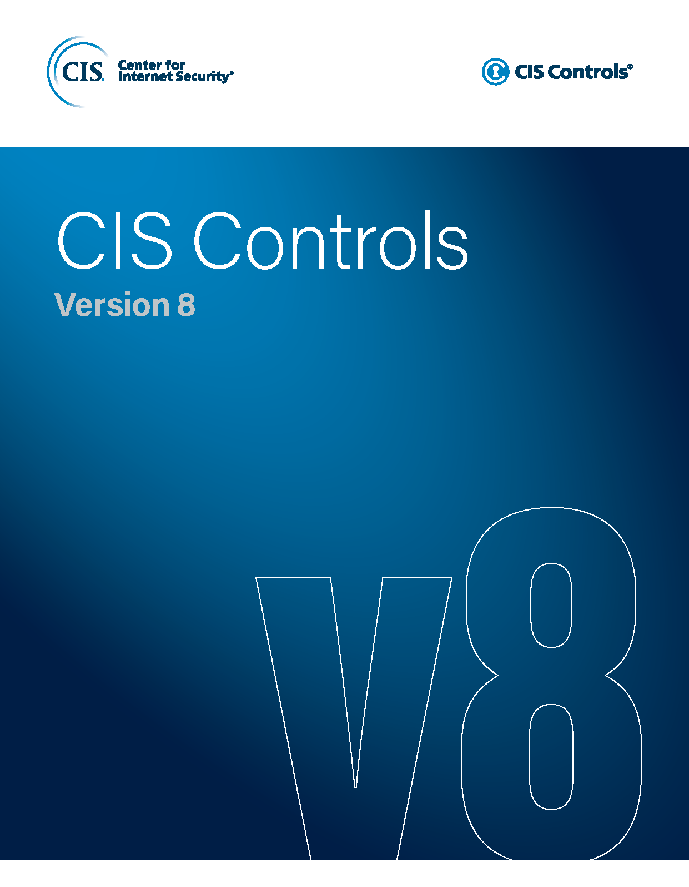

Contact Information
CIS
31 Tech Valley Drive
East Greenbush, NY 12061
518.266.3460
controlsinfo@cisecurity.org

Editors
Thomas Sager

Contributors

